Prep
point 3
IV char of a VDR |  | r - decade | 50
 |  | measured
IV char of a VDR
 | theory | Measured
0.0 | 0
0.8 | 0.1
1.1 | 0.3
1.4 | 0.5 | 6
1.8 | 1 | 4
2.6 | 3 | 6
3.1 | 5 | 8
4.0 | 10 | 16
6.0 | 30 | 36
7.2 | 50 | 56
9.2 | 100 | 112
I (mA) | U | Ux | Uy | Iy
0 | 0.0
0.1 | 0.8
0.3 | 1.1
0.5 | 1.4 | 1.4 | 0.3 | 6
1 | 1.8 |  | 0.2 | 4
3 | 2.6 |  | 0.3 | 6
5 | 3.1 |  | 0.4 | 8
10 | 4.0 |  | 0.8 | 16
30 | 6.0 |  | 1.8 | 36
50 | 7.2 |  | 2.8 | 56
100 | 9.2 |  | 5.6 | 112

exp2
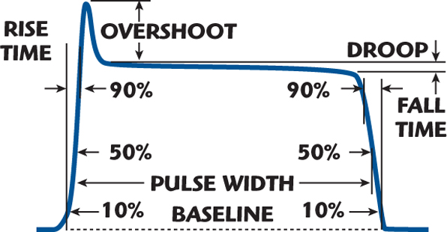
point a
screenshot with following parameters
 | rise
 | fall
 | pulse duration

point b
screenshot with cursor and measure for time delay

